Disclaimer


Alberta Energy Outlook 2025 (ST98)
Release Date: June 2025
Natural Gas – Statistics and Data

Copyright and Permission to Reproduce
Information on this file was produced and/or compiled by the Alberta Energy Regulator (AER) for the purpose of providing access to information regarding the energy resources of the province of Alberta.
Noncommercial or Educational Reproduction
Information on this file has been posted with the intent that it be readily available for personal and public noncommercial (educational) use. The information may be reproduced, in whole or in part and by any means, without charge or further permission from the AER. We ask only that users exercise due diligence to ensure the accuracy of the materials reproduced; the AER be identified as the source of the materials; and the reproduction not be presented as an official version of the AER material, or as having been made in affiliation with or with the endorsement of the AER.
Commercial Reproduction
Reproduction of multiple copies of materials on this file, in whole or in part, for the purposes of commercial redistribution is prohibited except with prior written permission from the AER. To obtain permission to reproduce materials on this file for commercial purposes please contact
AER Communications, Web Services:
Suite 1000, 250 – 5 Street SW
Calgary, Alberta T2P 0R4
Canada
Inquiries: 1-855-297-8311
Inquiries@aer.ca
Disclaimer
The information presented in this document is for general information purposes. It is believed to represent the best data available to the AER at this time but its accuracy is not guaranteed. The AER makes no representations, warranties, or guarantees, expressed or implied as to the accuracy, reliability, or currency of the information contained herein or that it will be suitable for any use. The AER accepts no responsibility whatsoever for any inaccuracy, error, or omissions in the information. The AER shall not be responsible for any losses or costs incurred by you or anyone else as a result of the use, conversion, publication, transmission, installation, or improvement of the information, even if such losses or costs are foreseeable. Any user intending to rely upon this information is advised to confirm both the accuracy of the information and whether a more recent version of the information is available.

Figures
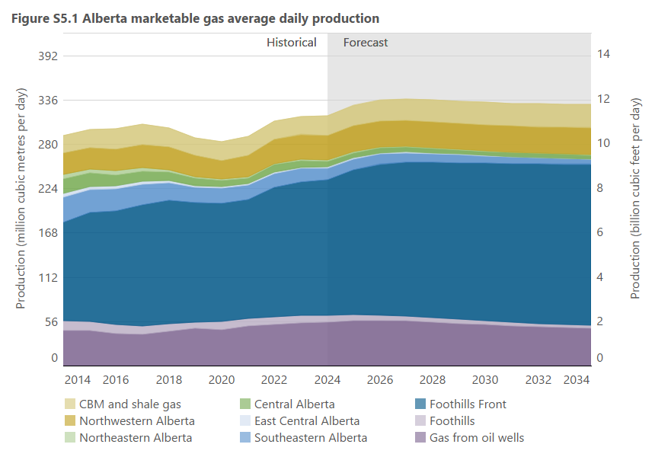
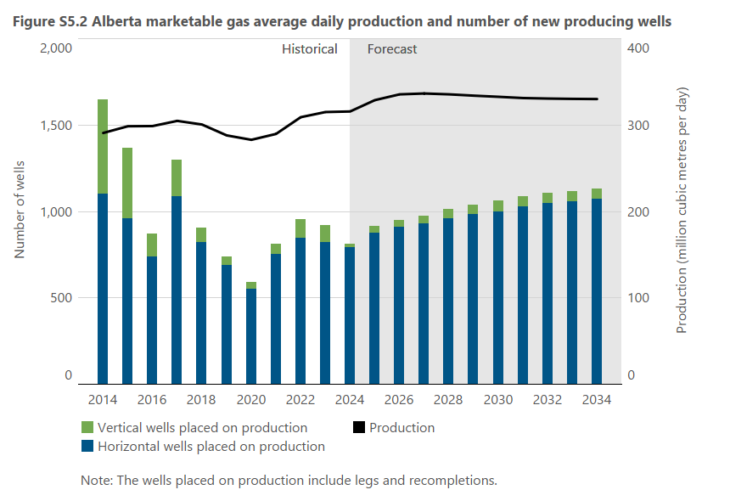
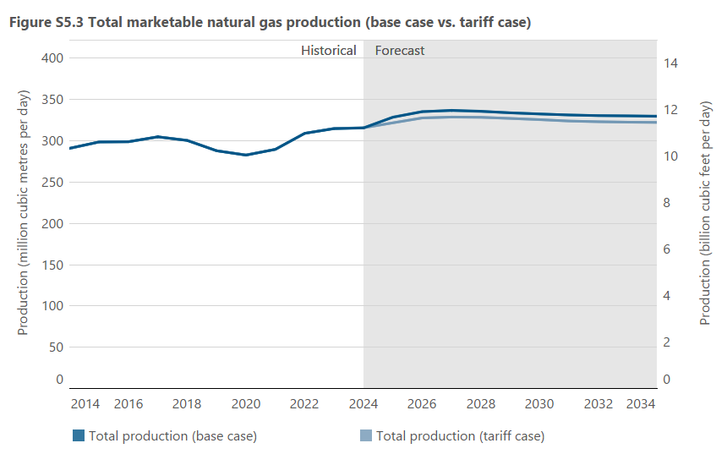
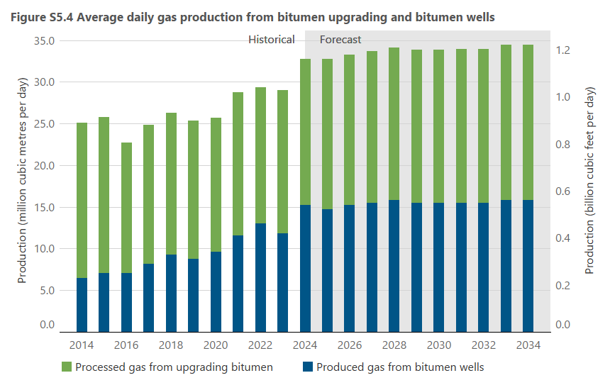
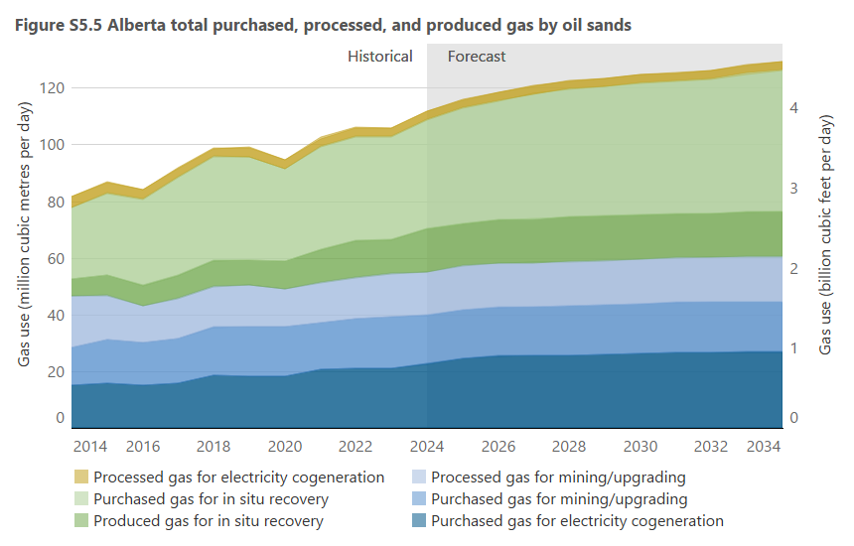
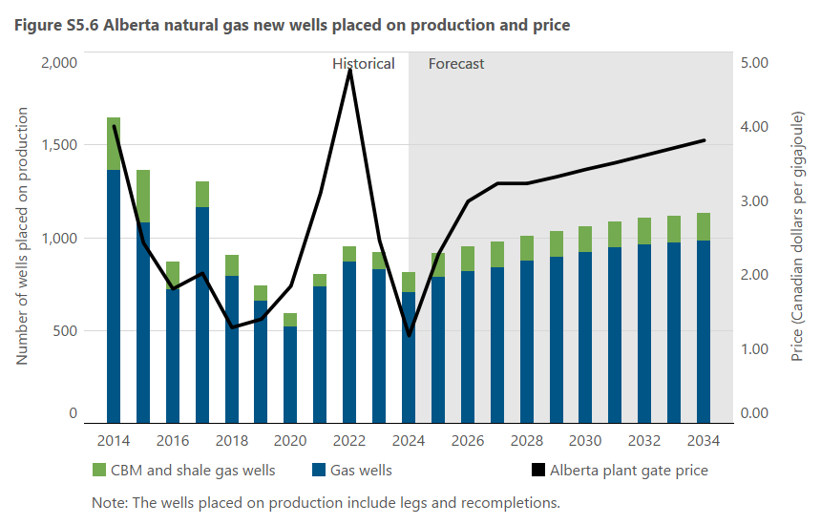
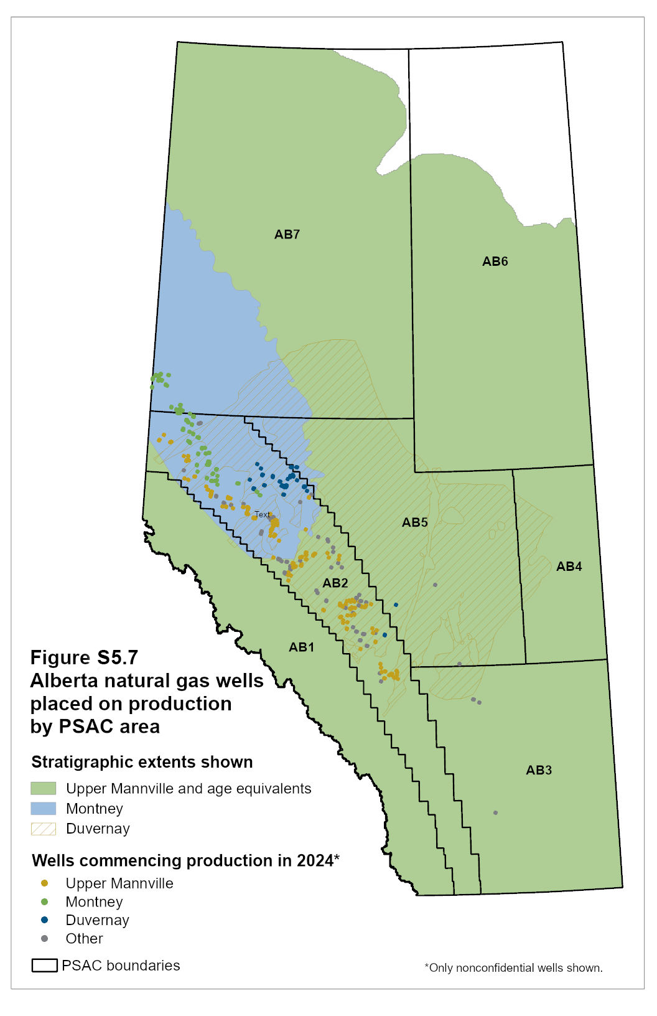
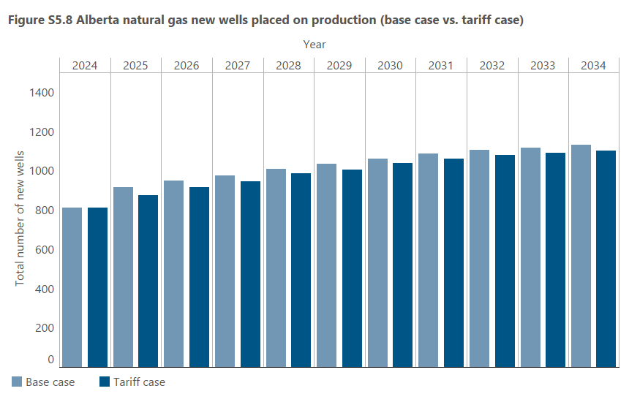
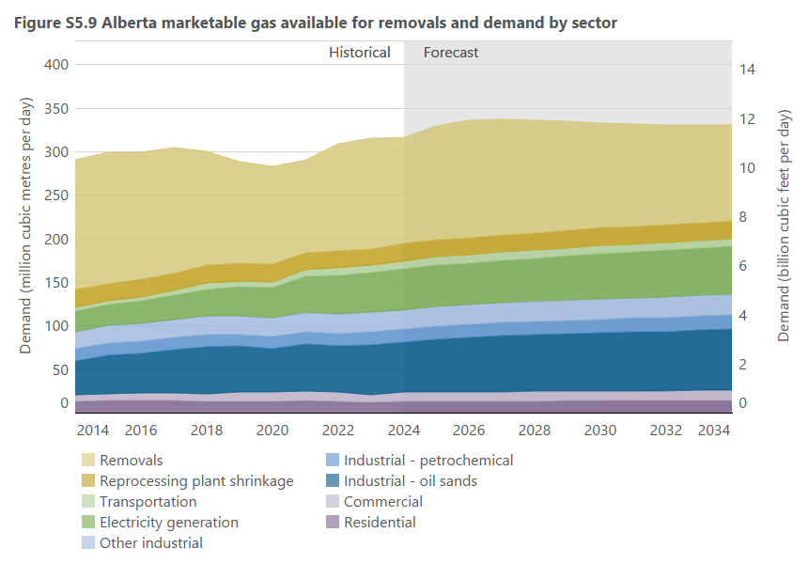
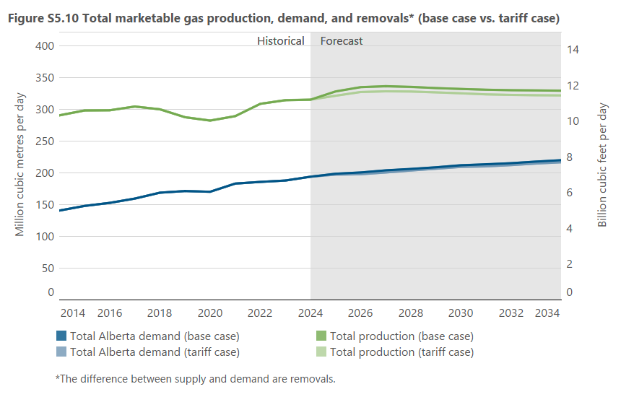
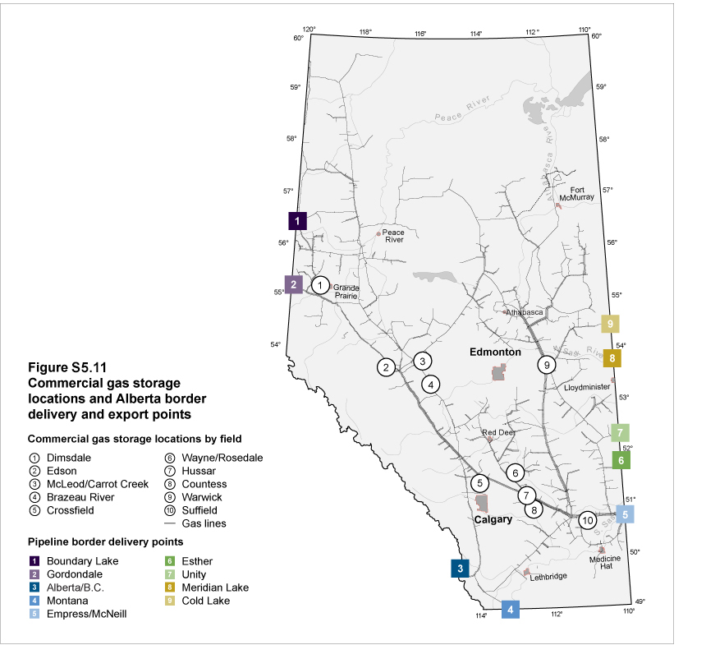
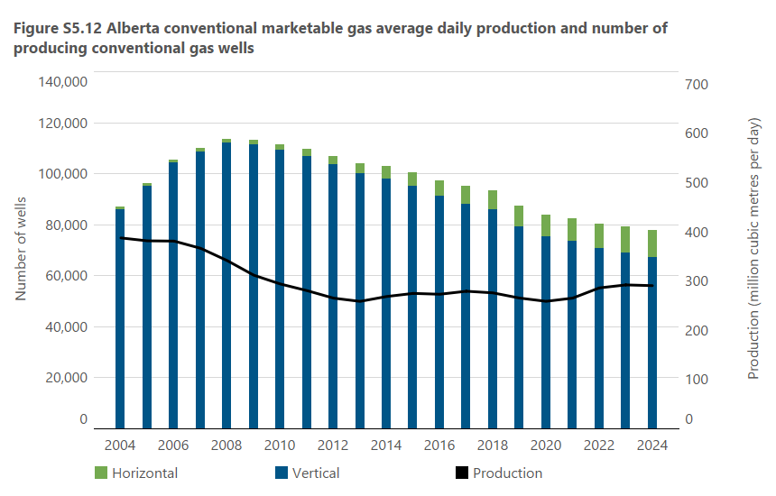

 |  |  |  |  |  |  |  |  |  |  |  |  |  |  |  |  |  |  |  |  |  |  |  |  |  |  |  |  |  |  |  |  |  |  |  |  |  |  |  |  |  |  |  |  |  |  |  |  |  |  |  |  |  |  |  |  |  |  |  |  |  |  |  |  |  |  |  |  | Residential

Fig S5.14: Alberta conventional gas storage monthly injection/withdrawal volumes
 | 1 | 1 | 1 | 1 | 1 | 1
Figure S5.1 |  |  |  |  |  |  |  |  |  |  |  |  |  |  |  |  |  |  |  |  | Figure S5.2 |  |  |  |  | Figure S5.3 |  |  |  |  | Figures S5.4 |  |  |  |  | Figure S5.5 |  |  |  |  |  |  |  |  |  |  |  |  | Figure S5.6 |  |  |  | Figure S5.8 |  |  | Figure S5.9 |  |  |  |  |  |  |  |  |  |  |  |  |  |  |  |  |  |  | Figure S5.10 |  |  |  |  |  |  |  |  | Figure S5.12
Year |  |  |  |  |  |  |  |  |  |  |  |  |  |  |  |  |  |  |  |  |  |  |  |  |  |  |  |  |  |  | Year |  |  |  |  |  |  |  |  |  |  |  |  |  |  |  |  |  |  |  |  |  |  |  |  |  |  |  |  |  |  |  |  |  |  |  |  |  |  |  |  |  |  |  |  |  |  |  |  |  |  |  |  | Year | Production | Vertical | Horizontal | Total
 | Gas from oil wells | PSAC 1 | PSAC 2 | PSAC 3 | PSAC 4 | PSAC 5 | PSAC 6 | PSAC 7 | Shale gas | CBM | Gas from oil wells | PSAC 1 | PSAC 2 | PSAC 3 | PSAC 4 | PSAC 5 | PSAC 6 | PSAC 7 | Shale gas | CBM | Year | Wells placed on production |  | Marketable production |  | Year | Total production (base case) | Total production (tariff case) | Total production (base case) | Total production (tariff case) |  | Processed gas from upgrading bitumen | Produced gas from bitumen wells | Processed gas from upgrading bitumen | Produced gas from bitumen wells | Year | Purchased gas for mining/upgrading | Process gas for mining/upgrading | Produced gas for in situ recovery | Purchased gas for in situ recovery | Purchase gas for electricity cogeneration | Process gas for electricity cogeneration | Purchased gas for mining/upgrading | Process gas for mining/upgrading | Produced gas for in situ recovery | Purchased gas for in situ recovery | Purchase gas for electricity cogeneration | Process gas for electricity cogeneration | Year | Gas wellsa | CBM and shale wells | Alberta plant gate price | Year | Total wells placed on production (base case) | Total wells placed on production (tariff case) | Year | Residential | Commercial | Industrial - oil sands | Industrial - petrochemical | Other - industrial | Electricity -generation | Transportation | Reprocessing plant shrinkage | Removalsa | Residential | Commercial | Industrial - oil sands | Industrial - petrochemical | Other - industrial | Electricity -generation | Transportation | Reprocessing plant shrinkage | Removalsa | Year | Total production (base case) | Total production (tariff case) | Total Alberta demand (base case) | Total Alberta demand (tariff case) | Total production (base case) | Total production (tariff case) | Total Alberta demand (base case) | Total Alberta demand (tariff case) |  | (106 m3/d) | wells | wells | producing wells
 | (106 m3/d) |  |  |  |  |  |  |  |  |  | (Bcf/d) |  |  |  |  |  |  |  |  |  |  | Horizontal | Vertical | (106 m3/d) | Bcf/d |  | (106 m3/d) | (106 m3/d) | Bcf/d | Bcf/d |  | (106 m3/d) | (106 m3/d) | (Bcf/d) | (Bcf/d) |  | (106 m3/d) |  |  |  |  |  | (Bcf/d) |  |  |  |  |  |  | (number of new wells) |  | (Cdn$/GJ) |  | (number of new wells) | (number of new wells) |  | (106 m3/d) |  |  |  |  |  |  |  |  | (Bcf/d) |  |  |  |  |  |  |  |  |  | (106 m3/d) | (106 m3/d) | (106 m3/d) | (106 m3/d) | Bcf/d | Bcf/d | Bcf/d | Bcf/d | 1990 | 238.4 | 31498 | 8 | 31506
2002 | 39.5 | 20.0 | 111.2 | 73.7 | 14.5 | 44.7 | 34.5 | 56.4 | 0.0 | 3.7 | 1.40 | 0.71 | 3.95 | 2.62 | 0.51 | 1.59 | 1.22 | 2.00 | 0.00 | 0.13 | 2004 | 151 | 14471 | 394.6 | 14.0 | 2004 | 394.6 | 394.6 | 14.0 | 14.0 | 2000 | 6.5 | 2.9 | 0.23 | 0.10 | 2000 | 3.7 | 3.1 | 2.9 | 4.4 | 0.9 | 3.4 | 0.13 | 0.11 | 0.10 | 0.16 | 0.03 | 0.12 | 2000 | 8302 | 434 | 4.27 | 2004 | 14622 | 14622 | 2000 | 11.8 | 6.6 | 8.8 | 16.1 | 15.9 | 10.8 | 4.9 | 24.6 | 301.5 | 0.42 | 0.23 | 0.31 | 0.57 | 0.56 | 0.38 | 0.17 | 0.87 | 10.70 | 2004 | 394.6 | 394.6 | 104.7 | 104.7 | 14.0 | 14.0 | 3.7 | 3.7 | 1991 | 269.0 | 31871 | 12 | 31883
2003 | 38.4 | 21.4 | 111.2 | 74.0 | 15.1 | 40.5 | 31.2 | 53.4 | 0.0 | 4.2 | 1.36 | 0.76 | 3.95 | 2.63 | 0.54 | 1.44 | 1.11 | 1.90 | 0.00 | 0.15 | 2005 | 213 | 15110 | 393.5 | 14.0 | 2005 | 393.5 | 393.5 | 14.0 | 14.0 | 2001 | 7.1 | 3.9 | 0.25 | 0.14 | 2001 | 4.3 | 3.8 | 3.4 | 5.0 | 2.5 | 3.3 | 0.15 | 0.13 | 0.12 | 0.18 | 0.09 | 0.12 | 2001 | 9613 | 284 | 5.12 | 2005 | 15323 | 15323 | 2001 | 10.9 | 6.7 | 9.3 | 14.4 | 16.3 | 11.5 | 4.2 | 22.2 | 311.5 | 0.39 | 0.24 | 0.33 | 0.51 | 0.58 | 0.41 | 0.15 | 0.79 | 11.06 | 2005 | 393.5 | 393.5 | 105.9 | 105.9 | 14.0 | 14.0 | 3.8 | 3.8 | 1992 | 288.5 | 31930 | 15 | 31945
2004 | 39.6 | 23.2 | 113.4 | 79.0 | 14.8 | 40.2 | 27.0 | 50.3 | 0.0 | 7.1 | 1.41 | 0.82 | 4.02 | 2.80 | 0.53 | 1.43 | 0.96 | 1.79 | 0.00 | 0.25 | 2006 | 605 | 15552 | 400.4 | 14.2 | 2006 | 400.4 | 400.4 | 14.2 | 14.2 | 2002 | 8.6 | 3.8 | 0.31 | 0.13 | 2002 | 6.4 | 4.9 | 3.3 | 6.1 | 1.9 | 3.8 | 0.23 | 0.17 | 0.12 | 0.22 | 0.07 | 0.13 | 2002 | 8080 | 205 | 3.65 | 2006 | 16157 | 16157 | 2002 | 11.6 | 7.3 | 12.4 | 13.3 | 17.0 | 9.3 | 4.2 | 25.0 | 298.0 | 0.41 | 0.26 | 0.44 | 0.47 | 0.60 | 0.33 | 0.15 | 0.89 | 10.58 | 2006 | 400.4 | 400.4 | 111.1 | 111.1 | 14.2 | 14.2 | 3.9 | 3.9 | 1993 | 317.0 | 33537 | 18 | 33555
2005 | 38.6 | 22.2 | 115.9 | 79.7 | 14.2 | 39.5 | 23.0 | 48.5 | 0.0 | 11.9 | 1.37 | 0.79 | 4.11 | 2.83 | 0.50 | 1.40 | 0.82 | 1.72 | 0.00 | 0.42 | 2007 | 344 | 11753 | 390.9 | 13.9 | 2007 | 390.9 | 390.9 | 13.9 | 13.9 | 2003 | 10.0 | 3.6 | 0.35 | 0.13 | 2003 | 7.7 | 6.3 | 3.2 | 4.8 | 4.4 | 3.7 | 0.27 | 0.22 | 0.11 | 0.17 | 0.16 | 0.13 | 2003 | 10166 | 891 | 5.80 | 2007 | 12097 | 12097 | 2003 | 11.8 | 8.6 | 12.5 | 13.5 | 15.6 | 11.9 | 3.2 | 24.2 | 287.0 | 0.42 | 0.31 | 0.44 | 0.48 | 0.55 | 0.42 | 0.11 | 0.86 | 10.19 | 2007 | 390.9 | 390.9 | 115.8 | 115.8 | 13.9 | 13.9 | 4.1 | 4.1 | 1994 | 336.2 | 36730 | 35 | 36765
2006 | 38.1 | 23.8 | 121.1 | 77.0 | 14.0 | 39.5 | 20.8 | 46.8 | 0.0 | 19.3 | 1.35 | 0.84 | 4.30 | 2.73 | 0.50 | 1.40 | 0.74 | 1.66 | 0.00 | 0.69 | 2008 | 500 | 9229 | 368.4 | 13.1 | 2008 | 368.4 | 368.4 | 13.1 | 13.1 | 2004 | 12.3 | 3.5 | 0.44 | 0.12 | 2004 | 7.4 | 9.0 | 3.2 | 5.6 | 6.3 | 3.3 | 0.26 | 0.32 | 0.11 | 0.20 | 0.22 | 0.12 | 2004 | 12719 | 1903 | 5.98 | 2008 | 9729 | 9729 | 2004 | 11.7 | 8.0 | 14.3 | 16.1 | 12.5 | 13.4 | 3.2 | 25.5 | 289.9 | 0.42 | 0.28 | 0.51 | 0.57 | 0.44 | 0.48 | 0.11 | 0.91 | 10.29 | 2008 | 368.4 | 368.4 | 120.6 | 120.6 | 13.1 | 13.1 | 4.3 | 4.3 | 1995 | 357.8 | 38126 | 63 | 38189
2007 | 34.2 | 22.7 | 124.9 | 75.1 | 12.3 | 36.7 | 18.4 | 42.2 | 0.0 | 24.4 | 1.21 | 0.81 | 4.43 | 2.67 | 0.44 | 1.30 | 0.65 | 1.50 | 0.00 | 0.87 | 2009 | 398 | 5405 | 339.9 | 12.1 | 2009 | 339.9 | 339.9 | 12.1 | 12.1 | 2005 | 11.5 | 3.6 | 0.41 | 0.13 | 2005 | 6.5 | 9.0 | 3.2 | 6.2 | 7.9 | 2.4 | 0.23 | 0.32 | 0.11 | 0.22 | 0.28 | 0.09 | 2005 | 12308 | 3015 | 7.87 | 2009 | 5803 | 5803 | 2005 | 12.2 | 8.0 | 13.9 | 14.8 | 15.0 | 13.8 | 3.3 | 24.9 | 287.6 | 0.43 | 0.28 | 0.49 | 0.53 | 0.53 | 0.49 | 0.12 | 0.88 | 10.21 | 2009 | 339.9 | 339.9 | 120.8 | 120.8 | 12.1 | 12.1 | 4.3 | 4.3 | 1996 | 373.2 | 39715 | 115 | 39830
2008 | 30.3 | 20.2 | 121.3 | 70.8 | 11.2 | 33.9 | 15.8 | 38.0 | 0.1 | 26.8 | 1.08 | 0.72 | 4.31 | 2.51 | 0.40 | 1.20 | 0.56 | 1.35 | 0.00 | 0.95 | 2010 | 510 | 3743 | 320.5 | 11.4 | 2010 | 320.5 | 320.5 | 11.4 | 11.4 | 2006 | 13.1 | 3.7 | 0.46 | 0.13 | 2006 | 8.8 | 9.6 | 3.3 | 10.1 | 8.2 | 2.9 | 0.31 | 0.34 | 0.12 | 0.36 | 0.29 | 0.10 | 2006 | 12341 | 3816 | 6.22 | 2010 | 4253 | 4253 | 2006 | 13.6 | 7.8 | 18.9 | 14.6 | 10.8 | 14.7 | 3.9 | 26.8 | 289.3 | 0.48 | 0.28 | 0.67 | 0.52 | 0.38 | 0.52 | 0.14 | 0.95 | 10.27 | 2010 | 320.5 | 320.5 | 122.4 | 122.4 | 11.4 | 11.4 | 4.3 | 4.3 | 1997 | 379.2 | 42365 | 246 | 42611
2009 | 27.9 | 18.6 | 114.5 | 65.5 | 9.3 | 28.5 | 13.4 | 34.2 | 0.1 | 27.9 | 0.99 | 0.66 | 4.06 | 2.32 | 0.33 | 1.01 | 0.48 | 1.21 | 0.00 | 0.99 | 2011 | 744 | 2708 | 306.0 | 10.9 | 2011 | 306.0 | 306.0 | 10.9 | 10.9 | 2007 | 13.4 | 3.8 | 0.48 | 0.13 | 2007 | 8.4 | 9.3 | 3.5 | 11.0 | 9.0 | 3.4 | 0.30 | 0.33 | 0.12 | 0.39 | 0.32 | 0.12 | 2007 | 9310 | 2787 | 5.88 | 2011 | 3452 | 3452 | 2007 | 13.5 | 7.9 | 19.4 | 12.7 | 15.7 | 15.1 | 4.1 | 27.4 | 275.1 | 0.48 | 0.28 | 0.69 | 0.45 | 0.56 | 0.54 | 0.15 | 0.97 | 9.76 | 2011 | 306.0 | 306.0 | 127.1 | 127.1 | 10.9 | 10.9 | 4.5 | 4.5 | 1998 | 390.7 | 45847 | 373 | 46220
2010 | 27.1 | 18.4 | 112.3 | 58.6 | 8.2 | 26.3 | 11.0 | 32.1 | 0.1 | 26.4 | 0.96 | 0.65 | 3.99 | 2.08 | 0.29 | 0.93 | 0.39 | 1.14 | 0.00 | 0.94 | 2012 | 639 | 949 | 288.8 | 10.3 | 2012 | 288.8 | 288.8 | 10.3 | 10.3 | 2008 | 11.8 | 4.5 | 0.42 | 0.16 | 2008 | 8.9 | 8.0 | 4.1 | 13.3 | 9.2 | 3.2 | 0.32 | 0.28 | 0.15 | 0.47 | 0.33 | 0.11 | 2008 | 7395 | 2334 | 7.47 | 2012 | 1588 | 1588 | 2008 | 13.0 | 7.9 | 22.2 | 12.5 | 20.3 | 16.8 | 3.6 | 24.3 | 247.8 | 0.46 | 0.28 | 0.79 | 0.44 | 0.72 | 0.60 | 0.13 | 0.86 | 8.80 | 2012 | 288.8 | 288.8 | 128.6 | 128.6 | 10.3 | 10.3 | 4.6 | 4.6 | 1999 | 399.7 | 49428 | 504 | 49932
2011 | 29.9 | 18.0 | 113.4 | 45.8 | 7.3 | 25.0 | 9.8 | 31.4 | 0.1 | 25.3 | 1.06 | 0.64 | 4.02 | 1.63 | 0.26 | 0.89 | 0.35 | 1.11 | 0.00 | 0.90 | 2013 | 706 | 582 | 281.2 | 10.0 | 2013 | 281.2 | 281.2 | 10.0 | 10.0 | 2009 | 14.3 | 4.7 | 0.51 | 0.17 | 2009 | 11.0 | 12.4 | 4.2 | 13.9 | 10.6 | 2.8 | 0.39 | 0.44 | 0.15 | 0.49 | 0.38 | 0.10 | 2009 | 3838 | 1965 | 3.65 | 2013 | 1288 | 1288 | 2009 | 12.5 | 7.6 | 24.8 | 11.9 | 19.7 | 17.5 | 3.4 | 23.4 | 219.1 | 0.44 | 0.27 | 0.88 | 0.42 | 0.70 | 0.62 | 0.12 | 0.83 | 7.78 | 2013 | 281.2 | 281.2 | 140.0 | 140.0 | 10.0 | 10.0 | 5.0 | 5.0 | 2000 | 398.9 | 55563 | 645 | 56208
2012 | 33.0 | 14.7 | 112.1 | 42.6 | 5.6 | 22.2 | 7.5 | 27.6 | 0.3 | 23.2 | 1.17 | 0.52 | 3.98 | 1.51 | 0.20 | 0.79 | 0.27 | 0.98 | 0.01 | 0.82 | 2014 | 1103 | 544 | 290.8 | 10.3 | 2014 | 290.8 | 290.8 | 10.3 | 10.3 | 2010 | 15.8 | 5.0 | 0.56 | 0.18 | 2010 | 10.8 | 12.6 | 4.4 | 16.0 | 10.6 | 3.5 | 0.38 | 0.45 | 0.16 | 0.57 | 0.38 | 0.12 | 2010 | 3109 | 1144 | 3.57 | 2014 | 1647 | 1647 | 2010 | 12.6 | 7.5 | 26.8 | 12.4 | 17.9 | 18.4 | 4.8 | 22.0 | 198.1 | 0.45 | 0.27 | 0.95 | 0.44 | 0.64 | 0.65 | 0.17 | 0.78 | 7.03 | 2014 | 290.8 | 290.8 | 140.9 | 140.9 | 10.3 | 10.3 | 5.0 | 5.0 | 2001 | 404.7 | 62918 | 822 | 63740
2013 | 39.9 | 14.3 | 111.9 | 34.9 | 4.9 | 18.8 | 6.5 | 27.5 | 0.9 | 21.6 | 1.42 | 0.51 | 3.97 | 1.24 | 0.17 | 0.67 | 0.23 | 0.98 | 0.03 | 0.77 | 2015 | 959 | 406 | 298.6 | 10.6 | 2015 | 298.6 | 298.6 | 10.6 | 10.6 | 2011 | 16.4 | 5.4 | 0.58 | 0.19 | 2011 | 10.4 | 13.9 | 5.0 | 16.6 | 11.2 | 3.3 | 0.37 | 0.49 | 0.18 | 0.59 | 0.40 | 0.12 | 2011 | 2217 | 1235 | 3.28 | 2015 | 1365 | 1365 | 2011 | 12.5 | 7.4 | 27.1 | 13.9 | 21.0 | 19.7 | 3.5 | 22.0 | 178.9 | 0.44 | 0.26 | 0.96 | 0.49 | 0.75 | 0.70 | 0.12 | 0.78 | 6.35 | 2015 | 298.6 | 298.6 | 148.1 | 148.1 | 10.6 | 10.6 | 5.3 | 5.3 | 2002 | 394.5 | 67771 | 908 | 68679
2014 | 44.2 | 12.9 | 123.4 | 32.4 | 4.6 | 18.3 | 6.1 | 26.7 | 2.4 | 19.8 | 1.57 | 0.46 | 4.38 | 1.15 | 0.16 | 0.65 | 0.22 | 0.95 | 0.09 | 0.70 | 2016 | 735 | 134 | 298.8 | 10.6 | 2016 | 298.8 | 298.8 | 10.6 | 10.6 | 2012 | 17.4 | 5.9 | 0.62 | 0.21 | 2012 | 12.0 | 17.1 | 5.6 | 19.8 | 11.9 | 3.0 | 0.43 | 0.61 | 0.20 | 0.70 | 0.42 | 0.11 | 2012 | 1087 | 501 | 2.14 | 2016 | 869 | 869 | 2012 | 11.4 | 6.6 | 32.0 | 14.4 | 17.6 | 21.6 | 3.7 | 21.3 | 160.2 | 0.40 | 0.23 | 1.14 | 0.51 | 0.62 | 0.77 | 0.13 | 0.76 | 5.69 | 2016 | 298.8 | 298.8 | 152.9 | 152.9 | 10.6 | 10.6 | 5.4 | 5.4 | 2003 | 385.2 | 75703 | 1039 | 76742
2015 | 44.0 | 12.1 | 136.8 | 29.3 | 4.2 | 16.7 | 5.3 | 26.5 | 4.7 | 19.0 | 1.56 | 0.43 | 4.86 | 1.04 | 0.15 | 0.59 | 0.19 | 0.94 | 0.17 | 0.67 | 2017 | 1085 | 214 | 304.8 | 10.8 | 2017 | 304.8 | 304.8 | 10.8 | 10.8 | 2013 | 20.3 | 6.4 | 0.72 | 0.23 | 2013 | 13.1 | 20.1 | 5.7 | 20.1 | 13.5 | 3.8 | 0.46 | 0.71 | 0.20 | 0.71 | 0.48 | 0.13 | 2013 | 977 | 311 | 2.83 | 2017 | 1299 | 1299 | 2013 | 14.0 | 8.2 | 33.7 | 14.2 | 23.3 | 22.3 | 4.3 | 20.0 | 141.2 | 0.50 | 0.29 | 1.20 | 0.50 | 0.83 | 0.79 | 0.15 | 0.71 | 5.01 | 2017 | 304.8 | 304.8 | 159.7 | 159.7 | 10.8 | 10.8 | 5.7 | 5.7 | 2004 | 387.5 | 85779 | 1102 | 86881
2016 | 40.8 | 11.0 | 143.9 | 27.2 | 3.8 | 14.2 | 5.1 | 27.2 | 7.8 | 17.8 | 1.45 | 0.39 | 5.11 | 0.97 | 0.13 | 0.50 | 0.18 | 0.97 | 0.28 | 0.63 | 2018 | 820 | 86 | 300.6 | 10.7 | 2018 | 300.6 | 300.6 | 10.7 | 10.7 | 2014 | 18.5 | 6.5 | 0.66 | 0.23 | 2014 | 13.5 | 18.1 | 6.0 | 25.1 | 14.9 | 4.0 | 0.48 | 0.64 | 0.21 | 0.89 | 0.53 | 0.14 | 2014 | 1363 | 284 | 4.00 | 2018 | 906 | 906 | 2014 | 12.5 | 8.0 | 38.6 | 14.3 | 19.9 | 22.8 | 4.7 | 20.1 | 149.9 | 0.44 | 0.28 | 1.37 | 0.51 | 0.71 | 0.81 | 0.17 | 0.71 | 5.32 | 2018 | 300.6 | 300.6 | 169.0 | 169.0 | 10.7 | 10.7 | 6.0 | 6.0 | 2005 | 381.6 | 95111 | 1178 | 96289
2017 | 39.8 | 10.3 | 152.9 | 26.1 | 3.4 | 13.3 | 4.5 | 29.0 | 8.5 | 17.0 | 1.41 | 0.37 | 5.43 | 0.93 | 0.12 | 0.47 | 0.16 | 1.03 | 0.30 | 0.60 | 2019 | 689 | 50 | 288.0 | 10.2 | 2019 | 288.0 | 288.0 | 10.2 | 10.2 | 2015 | 18.7 | 7.1 | 0.66 | 0.25 | 2015 | 15.3 | 15.7 | 7.1 | 29.0 | 15.6 | 3.8 | 0.54 | 0.56 | 0.25 | 1.03 | 0.55 | 0.13 | 2015 | 1082 | 283 | 2.43 | 2019 | 739 | 739 | 2015 | 13.6 | 8.1 | 44.2 | 14.3 | 20.2 | 23.3 | 5.2 | 19.2 | 150.5 | 0.48 | 0.29 | 1.57 | 0.51 | 0.72 | 0.83 | 0.18 | 0.68 | 5.34 | 2019 | 288.0 | 288.0 | 171.6 | 171.6 | 10.2 | 10.2 | 6.1 | 6.1 | 2006 | 381.1 | 104189 | 1322 | 105511
2018 | 43.5 | 9.3 | 155.5 | 22.6 | 2.7 | 10.5 | 3.2 | 28.7 | 9.3 | 15.3 | 1.54 | 0.33 | 5.52 | 0.80 | 0.10 | 0.37 | 0.11 | 1.02 | 0.33 | 0.54 | 2020 | 552 | 39 | 282.9 | 10.0 | 2020 | 282.9 | 282.9 | 10.0 | 10.0 | 2016 | 15.6 | 7.1 | 0.55 | 0.25 | 2016 | 15.1 | 13.0 | 7.1 | 30.6 | 14.9 | 3.2 | 0.54 | 0.46 | 0.25 | 1.09 | 0.53 | 0.11 | 2016 | 721 | 148 | 1.81 | 2020 | 591 | 591 | 2016 | 14.1 | 8.6 | 45.6 | 14.2 | 20.1 | 25.5 | 5.1 | 19.7 | 145.9 | 0.50 | 0.31 | 1.62 | 0.50 | 0.71 | 0.91 | 0.18 | 0.70 | 5.18 | 2020 | 282.9 | 282.9 | 170.4 | 170.4 | 10.0 | 10.0 | 6.0 | 6.0 | 2007 | 366.5 | 108588 | 1418 | 110006
2019 | 46.7 | 8.4 | 150.6 | 19.8 | 2.1 | 8.9 | 2.2 | 26.8 | 9.8 | 12.7 | 1.66 | 0.30 | 5.34 | 0.70 | 0.07 | 0.32 | 0.08 | 0.95 | 0.35 | 0.45 | 2021 | 754 | 59 | 289.7 | 10.3 | 2021 | 289.7 | 289.7 | 10.3 | 10.3 | 2017 | 16.6 | 8.1 | 0.59 | 0.29 | 2017 | 15.7 | 14.1 | 8.1 | 34.7 | 15.7 | 3.1 | 0.56 | 0.50 | 0.29 | 1.23 | 0.56 | 0.11 | 2017 | 1162 | 137 | 2.02 | 2021 | 813 | 813 | 2017 | 13.6 | 8.7 | 50.3 | 14.0 | 20.7 | 27.8 | 5.6 | 19.3 | 144.8 | 0.48 | 0.31 | 1.79 | 0.50 | 0.73 | 0.99 | 0.20 | 0.69 | 5.14 | 2021 | 289.7 | 289.7 | 183.2 | 183.2 | 10.3 | 10.3 | 6.5 | 6.5 | 2008 | 341.5 | 111934 | 1594 | 113528
2020 | 44.9 | 11.0 | 149.3 | 19.0 | 2.0 | 7.6 | 2.0 | 23.0 | 11.3 | 12.8 | 1.59 | 0.39 | 5.30 | 0.67 | 0.07 | 0.27 | 0.07 | 0.82 | 0.40 | 0.45 | 2022 | 847 | 105 | 309.1 | 11.0 | 2022 | 309.1 | 309.1 | 11.0 | 11.0 | 2018 | 17.0 | 9.2 | 0.60 | 0.33 | 2018 | 16.9 | 14.3 | 9.2 | 36.6 | 18.6 | 2.9 | 0.60 | 0.51 | 0.33 | 1.30 | 0.66 | 0.10 | 2018 | 791 | 115 | 1.29 | 2022 | 952 | 952 | 2018 | 13.2 | 8.9 | 53.5 | 14.2 | 21.1 | 30.5 | 7.1 | 20.4 | 131.7 | 0.47 | 0.32 | 1.90 | 0.50 | 0.75 | 1.08 | 0.25 | 0.72 | 4.67 | 2022 | 309.1 | 309.1 | 186.1 | 186.1 | 11.0 | 11.0 | 6.6 | 6.6 | 2009 | 311.9 | 111243 | 1795 | 113038
2021 | 49.6 | 10.2 | 149.9 | 18.0 | 1.9 | 7.2 | 1.8 | 26.6 | 11.7 | 12.7 | 1.76 | 0.36 | 5.32 | 0.64 | 0.07 | 0.26 | 0.07 | 0.94 | 0.41 | 0.45 | 2023 | 819 | 102 | 315.0 | 11.2 | 2023 | 315.0 | 315.0 | 11.2 | 11.2 | 2019 | 16.5 | 8.9 | 0.58 | 0.31 | 2019 | 17.8 | 14.6 | 8.9 | 36.2 | 18.1 | 3.5 | 0.63 | 0.52 | 0.31 | 1.28 | 0.64 | 0.12 | 2019 | 656 | 83 | 1.40 | 2023 | 921 | 921 | 2019 | 13.3 | 10.2 | 52.7 | 13.8 | 21.4 | 32.8 | 7.3 | 20.2 | 116.4 | 0.47 | 0.36 | 1.87 | 0.49 | 0.76 | 1.16 | 0.26 | 0.72 | 4.13 | 2023 | 315.0 | 315.0 | 188.1 | 188.1 | 11.2 | 11.2 | 6.7 | 6.7 | 2010 | 294.0 | 109215 | 2185 | 111400
2022 | 51.9 | 10.1 | 163.1 | 17.7 | 1.9 | 8.7 | 1.8 | 30.8 | 10.9 | 12.1 | 1.84 | 0.36 | 5.79 | 0.63 | 0.07 | 0.31 | 0.06 | 1.09 | 0.39 | 0.43 | 2024 | 792 | 18 | 315.7 | 11.2 | 2024 | 315.7 | 315.7 | 11.2 | 11.2 | 2020 | 16.0 | 9.7 | 0.57 | 0.34 | 2020 | 17.4 | 13.4 | 9.7 | 32.7 | 18.3 | 3.1 | 0.62 | 0.47 | 0.34 | 1.16 | 0.65 | 0.11 | 2020 | 517 | 74 | 1.85 | 2024 | 810 | 810 | 2020 | 13.5 | 9.9 | 50.6 | 13.3 | 21.4 | 34.7 | 7.3 | 19.9 | 112.4 | 0.48 | 0.35 | 1.79 | 0.47 | 0.76 | 1.23 | 0.26 | 0.71 | 3.99 | 2024 | 315.7 | 315.7 | 194.3 | 194.3 | 11.2 | 11.2 | 6.9 | 6.9 | 2011 | 280.6 | 106806 | 2804 | 109610
2023 | 54.2 | 9.2 | 168.5 | 17.0 | 1.8 | 8.1 | 1.8 | 31.5 | 11.0 | 11.9 | 1.92 | 0.33 | 5.98 | 0.60 | 0.06 | 0.29 | 0.06 | 1.12 | 0.39 | 0.42 | 2025 | 875 | 40 | 328.8 | 11.7 | 2025 | 328.8 | 321.9 | 11.7 | 11.4 | 2021 | 17.1 | 11.5 | 0.61 | 0.41 | 2021 | 16.7 | 14.0 | 11.5 | 36.3 | 20.6 | 3.0 | 0.59 | 0.50 | 0.41 | 1.29 | 0.73 | 0.11 | 2021 | 735 | 68 | 3.10 | 2025 | 915 | 875 | 2021 | 13.5 | 11.0 | 54.1 | 13.9 | 22.4 | 41.4 | 7.9 | 19.2 | 106.5 | 0.48 | 0.39 | 1.92 | 0.49 | 0.80 | 1.47 | 0.28 | 0.68 | 3.78 | 2025 | 328.8 | 321.9 | 198.9 | 197.4 | 11.7 | 11.4 | 7.1 | 7.0 | 2012 | 265.3 | 103531 | 3302 | 106833
2024 | 55.3 | 8.0 | 171.4 | 15.3 | 1.6 | 6.6 | 1.6 | 31.0 | 14.1 | 11.0 | 1.96 | 0.28 | 6.08 | 0.54 | 0.06 | 0.23 | 0.06 | 1.10 | 0.50 | 0.39 | 2026 | 910 | 40 | 335.5 | 11.9 | 2026 | 335.5 | 327.8 | 11.9 | 11.6 | 2022 | 16.4 | 12.9 | 0.58 | 0.46 | 2022 | 17.4 | 14.4 | 12.9 | 36.9 | 21.0 | 3.1 | 0.62 | 0.51 | 0.46 | 1.31 | 0.75 | 0.11 | 2022 | 869 | 83 | 4.76 | 2026 | 950 | 915 | 2022 | 13.3 | 10.5 | 53.0 | 14.4 | 22.3 | 44.2 | 9.0 | 19.4 | 123.0 | 0.47 | 0.37 | 1.88 | 0.51 | 0.79 | 1.57 | 0.32 | 0.69 | 4.37 | 2026 | 335.5 | 327.8 | 200.9 | 198.1 | 11.9 | 11.6 | 7.1 | 7.0 | 2013 | 258.7 | 100208 | 3868 | 104076
2025 | 57.0 | 7.4 | 183.0 | 14.0 | 1.4 | 6.3 | 1.4 | 32.7 | 15.3 | 10.5 | 2.02 | 0.26 | 6.49 | 0.50 | 0.05 | 0.22 | 0.05 | 1.16 | 0.54 | 0.37 | 2027 | 930 | 45 | 336.5 | 12.0 | 2027 | 336.5 | 328.8 | 12.0 | 11.7 | 2023 | 17.0 | 11.9 | 0.60 | 0.42 | 2023 | 18.0 | 15.3 | 11.9 | 36.4 | 21.0 | 3.1 | 0.64 | 0.54 | 0.42 | 1.29 | 0.75 | 0.11 | 2023 | 827 | 94 | 2.46 | 2027 | 975 | 945 | 2023 | 11.7 | 9.2 | 56.7 | 15.1 | 22.3 | 47.8 | 8.6 | 19.0 | 124.6 | 0.41 | 0.33 | 2.01 | 0.53 | 0.79 | 1.70 | 0.31 | 0.68 | 4.42 | 2027 | 336.5 | 328.8 | 204.1 | 200.9 | 12.0 | 11.7 | 7.3 | 7.1 | 2014 | 268.6 | 98022 | 4808 | 102830
2026 | 57.2 | 6.9 | 190.5 | 12.8 | 1.2 | 6.1 | 1.2 | 32.7 | 17.0 | 9.9 | 2.03 | 0.24 | 6.76 | 0.46 | 0.04 | 0.22 | 0.04 | 1.16 | 0.60 | 0.35 | 2028 | 960 | 50 | 335.5 | 11.9 | 2028 | 335.5 | 328.4 | 11.9 | 11.7 | 2024 | 17.4 | 15.2 | 0.62 | 0.54 | 2024 | 17.2 | 15.3 | 15.2 | 38.3 | 22.5 | 3.2 | 0.61 | 0.54 | 0.54 | 1.36 | 0.80 | 0.11 | 2024 | 704 | 106 | 1.18 | 2028 | 1010 | 985 | 2024 | 12.8 | 10.7 | 57.7 | 14.8 | 22.4 | 47.1 | 8.9 | 20.0 | 121.4 | 0.45 | 0.38 | 2.05 | 0.52 | 0.79 | 1.67 | 0.32 | 0.71 | 4.31 | 2028 | 335.5 | 328.4 | 206.3 | 203.9 | 11.9 | 11.7 | 7.3 | 7.2 | 2015 | 274.9 | 94931 | 5568 | 100499
2027 | 56.3 | 6.4 | 194.0 | 11.8 | 1.0 | 5.8 | 1.0 | 32.6 | 18.2 | 9.4 | 2.00 | 0.23 | 6.89 | 0.42 | 0.04 | 0.21 | 0.03 | 1.16 | 0.64 | 0.34 | 2029 | 985 | 50 | 334.0 | 11.9 | 2029 | 334.0 | 327.1 | 11.9 | 11.6 | 2025 | 18.0 | 14.7 | 0.64 | 0.52 | 2025 | 17.2 | 15.4 | 14.7 | 41.0 | 24.4 | 2.9 | 0.61 | 0.55 | 0.52 | 1.45 | 0.87 | 0.10 | 2025 | 785 | 130 | 2.28 | 2029 | 1035 | 1005 | 2025 | 12.9 | 10.8 | 60.8 | 15.0 | 22.5 | 47.9 | 8.9 | 20.1 | 129.9 | 0.46 | 0.38 | 2.16 | 0.53 | 0.80 | 1.70 | 0.32 | 0.71 | 4.61 | 2029 | 334.0 | 327.1 | 209.0 | 206.7 | 11.9 | 11.6 | 7.4 | 7.3 | 2016 | 273.2 | 91131 | 6056 | 97187
2028 | 54.8 | 5.9 | 196.0 | 10.8 | 0.9 | 5.5 | 0.8 | 32.6 | 19.1 | 9.0 | 1.95 | 0.21 | 6.96 | 0.38 | 0.03 | 0.20 | 0.03 | 1.16 | 0.68 | 0.32 | 2030 | 1000 | 60 | 332.7 | 11.8 | 2030 | 332.7 | 325.6 | 11.8 | 11.6 | 2026 | 18.1 | 15.2 | 0.64 | 0.54 | 2026 | 17.3 | 15.5 | 15.2 | 42.1 | 25.2 | 2.9 | 0.61 | 0.55 | 0.54 | 1.49 | 0.90 | 0.10 | 2026 | 820 | 130 | 2.99 | 2030 | 1060 | 1040 | 2026 | 13.0 | 10.9 | 62.0 | 15.1 | 22.6 | 48.2 | 9.0 | 20.1 | 134.6 | 0.46 | 0.39 | 2.20 | 0.54 | 0.80 | 1.71 | 0.32 | 0.71 | 4.78 | 2030 | 332.7 | 325.6 | 212.5 | 209.7 | 11.8 | 11.6 | 7.5 | 7.4 | 2017 | 279.3 | 88160 | 6977 | 95137
2029 | 53.3 | 5.5 | 197.5 | 9.9 | 0.8 | 5.3 | 0.7 | 32.6 | 19.9 | 8.5 | 1.89 | 0.20 | 7.01 | 0.35 | 0.03 | 0.19 | 0.02 | 1.16 | 0.70 | 0.30 | 2031 | 1025 | 60 | 331.2 | 11.8 | 2031 | 331.2 | 323.9 | 11.8 | 11.5 | 2027 | 18.1 | 15.6 | 0.64 | 0.55 | 2027 | 17.3 | 15.6 | 15.6 | 44.0 | 25.5 | 2.9 | 0.61 | 0.55 | 0.55 | 1.56 | 0.90 | 0.10 | 2027 | 840 | 135 | 3.23 | 2031 | 1085 | 1060 | 2027 | 13.2 | 11.1 | 63.9 | 15.3 | 22.7 | 49.0 | 9.0 | 20.1 | 132.4 | 0.47 | 0.39 | 2.27 | 0.54 | 0.81 | 1.74 | 0.32 | 0.71 | 4.70 | 2031 | 331.2 | 323.9 | 213.5 | 210.5 | 11.8 | 11.5 | 7.6 | 7.5 | 2018 | 276.0 | 85860 | 7593 | 93453
2030 | 51.8 | 5.1 | 198.9 | 9.1 | 0.7 | 5.2 | 0.6 | 32.7 | 20.6 | 8.1 | 1.84 | 0.18 | 7.06 | 0.32 | 0.02 | 0.18 | 0.02 | 1.16 | 0.73 | 0.29 | 2032 | 1045 | 60 | 330.7 | 11.7 | 2032 | 330.7 | 323.1 | 11.7 | 11.5 | 2028 | 18.2 | 15.7 | 0.65 | 0.56 | 2028 | 17.4 | 15.6 | 15.7 | 45.0 | 25.7 | 2.9 | 0.62 | 0.55 | 0.56 | 1.60 | 0.91 | 0.10 | 2028 | 875 | 135 | 3.23 | 2032 | 1105 | 1080 | 2028 | 13.3 | 11.2 | 65.0 | 15.4 | 22.8 | 49.5 | 9.0 | 20.1 | 129.2 | 0.47 | 0.40 | 2.31 | 0.55 | 0.81 | 1.76 | 0.32 | 0.71 | 4.59 | 2032 | 330.7 | 323.1 | 215.6 | 212.6 | 11.7 | 11.5 | 7.7 | 7.5 | 2019 | 265.5 | 79177 | 8000 | 87177
2031 | 49.9 | 4.7 | 200.2 | 8.4 | 0.6 | 5.1 | 0.5 | 32.9 | 21.1 | 7.7 | 1.77 | 0.17 | 7.11 | 0.30 | 0.02 | 0.18 | 0.02 | 1.17 | 0.75 | 0.27 | 2033 | 1055 | 60 | 330.3 | 11.7 | 2033 | 330.3 | 322.6 | 11.7 | 11.5 | 2029 | 18.2 | 15.6 | 0.65 | 0.55 | 2029 | 17.4 | 15.6 | 15.6 | 45.7 | 25.9 | 2.9 | 0.62 | 0.56 | 0.55 | 1.62 | 0.92 | 0.10 | 2029 | 895 | 140 | 3.32 | 2033 | 1115 | 1090 | 2029 | 13.4 | 11.3 | 65.9 | 15.6 | 22.9 | 50.9 | 9.1 | 20.1 | 125.0 | 0.48 | 0.40 | 2.34 | 0.55 | 0.81 | 1.81 | 0.32 | 0.71 | 4.44 | 2033 | 330.3 | 322.6 | 218.1 | 215.0 | 11.7 | 11.5 | 7.7 | 7.6 | 2020 | 258.8 | 75312 | 8422 | 83734
2032 | 48.8 | 4.4 | 201.4 | 7.7 | 0.5 | 5.1 | 0.4 | 33.2 | 21.7 | 7.4 | 1.73 | 0.16 | 7.15 | 0.27 | 0.02 | 0.18 | 0.01 | 1.18 | 0.77 | 0.26 | 2034 | 1070 | 60 | 330.1 | 11.7 | 2034 | 330.1 | 322.3 | 11.7 | 11.4 | 2030 | 18.3 | 15.6 | 0.65 | 0.55 | 2030 | 17.5 | 15.7 | 15.6 | 46.7 | 26.2 | 2.9 | 0.62 | 0.56 | 0.55 | 1.66 | 0.93 | 0.10 | 2030 | 920 | 140 | 3.42 | 2034 | 1130 | 1100 | 2030 | 13.6 | 11.4 | 66.9 | 15.7 | 22.9 | 52.8 | 9.1 | 20.2 | 120.2 | 0.48 | 0.40 | 2.37 | 0.56 | 0.81 | 1.87 | 0.32 | 0.72 | 4.26 | 2034 | 330.1 | 322.3 | 220.1 | 217.0 | 11.7 | 11.4 | 7.8 | 7.7 | 2021 | 265.3 | 73647 | 8815 | 82462
2033 | 47.9 | 4.1 | 202.5 | 7.1 | 0.5 | 5.1 | 0.4 | 33.5 | 22.2 | 7.0 | 1.70 | 0.14 | 7.19 | 0.25 | 0.02 | 0.18 | 0.01 | 1.19 | 0.79 | 0.25 | Any discrepancies are due to rounding. |  |  |  |  | Any discrepancies are due to rounding. |  |  |  |  | 2031 | 18.4 | 15.6 | 0.65 | 0.55 | 2031 | 17.6 | 15.7 | 15.6 | 46.9 | 26.5 | 2.9 | 0.63 | 0.56 | 0.55 | 1.66 | 0.94 | 0.10 | 2031 | 945 | 140 | 3.51 | Note: The wells placed on production include legs and recompletions. |  |  | 2031 | 13.7 | 11.5 | 67.3 | 15.9 | 23.0 | 52.9 | 9.1 | 20.2 | 117.7 | 0.49 | 0.41 | 2.39 | 0.56 | 0.82 | 1.88 | 0.32 | 0.72 | 4.18 | Any discrepancies are due to rounding. |  |  |  |  |  |  |  |  | 2022 | 286.1 | 70854 | 9559 | 80413
2034 | 47.2 | 3.8 | 203.5 | 6.5 | 0.4 | 5.2 | 0.3 | 33.8 | 22.8 | 6.7 | 1.67 | 0.13 | 7.22 | 0.23 | 0.01 | 0.18 | 0.01 | 1.20 | 0.81 | 0.24 | Note: The wells placed on production include legs and recompletions. |  |  |  |  | (106 m3/d) = million cubic metres per day. |  |  |  |  | 2032 | 18.4 | 15.5 | 0.65 | 0.55 | 2032 | 17.7 | 15.8 | 15.5 | 47.4 | 26.6 | 2.9 | 0.63 | 0.56 | 0.55 | 1.68 | 0.94 | 0.10 | 2032 | 960 | 145 | 3.61 |  |  |  | 2032 | 13.8 | 11.6 | 67.9 | 16.0 | 23.1 | 53.8 | 9.2 | 20.2 | 115.1 | 0.49 | 0.41 | 2.41 | 0.57 | 0.82 | 1.91 | 0.32 | 0.72 | 4.09 | Note: The difference between supply and demand are removals. |  |  |  |  |  |  |  |  | 2023 | 292.2 | 68926 | 10197 | 79123
Any discrepancies are due to rounding. |  |  |  |  |  |  |  |  |  |  |  |  |  |  |  |  |  |  |  |  | (106 m3/d) = million cubic metres per day. |  |  |  |  | (Bcf/d) = billion cubic feet per day. |  |  |  |  | 2033 | 18.5 | 15.7 | 0.66 | 0.56 | 2033 | 17.7 | 15.8 | 15.7 | 48.9 | 26.7 | 2.9 | 0.63 | 0.56 | 0.56 | 1.74 | 0.95 | 0.10 | 2033 | 970 | 145 | 3.71 |  |  |  | 2033 | 14.0 | 11.7 | 69.4 | 16.2 | 23.2 | 54.2 | 9.2 | 20.2 | 112.2 | 0.50 | 0.42 | 2.46 | 0.57 | 0.82 | 1.92 | 0.33 | 0.72 | 3.98 | (106 m3/d) = million cubic metres per day. |  |  |  |  |  |  |  |  | 2024 | 290.6 | 67023 | 10735 | 77758
Note: Coalbed methane (CBM) and Petroleum Services Association of Canada (PSAC). |  |  |  |  |  |  |  |  |  |  |  |  |  |  |  |  |  |  |  |  | (Bcf/d) = billion cubic feet per day. |  |  |  |  |  |  |  |  |  | 2034 | 18.5 | 15.9 | 0.66 | 0.56 | 2034 | 17.8 | 15.9 | 15.9 | 49.9 | 26.7 | 3.0 | 0.63 | 0.56 | 0.56 | 1.77 | 0.95 | 0.10 | 2034 | 980 | 150 | 3.81 |  |  |  | 2034 | 14.1 | 11.9 | 70.4 | 16.4 | 23.3 | 54.7 | 9.2 | 20.2 | 110.0 | 0.50 | 0.42 | 2.50 | 0.58 | 0.83 | 1.94 | 0.33 | 0.72 | 3.90 | (Bcf/d) = billion cubic feet per day. |  |  |  |  |  |  |  |  | Note: Production does not include CBM and shale wells.
(106 m3/d) = million cubic metres per day. |  |  |  |  |  |  |  |  |  |  |  |  |  |  |  |  |  |  |  |  |  |  |  |  |  |  |  |  |  |  | Any discrepancies are due to rounding. |  |  |  |  | Any discrepancies are due to rounding. |  |  |  |  |  |  |  |  |  |  |  |  | a Includes conventional, tight, and gas from oil wells. |  |  |  |  |  |  | Any discrepancies are due to rounding. |  |  |  |  |  |  |  |  |  |  |  |  |  |  |  |  |  |  |  |  |  |  |  |  |  |  |  | (106 m3/d) = million cubic metres per day.
(Bcf/d) = billion cubic feet per day. |  |  |  |  |  |  |  |  |  |  |  |  |  |  |  |  |  |  |  |  |  |  |  |  |  |  |  |  |  |  | (106 m3/d) = million cubic metres per day. |  |  |  |  | (106 m3/d) = million cubic metres per day. |  |  |  |  |  |  |  |  |  |  |  |  | Note: The wells placed on production include legs and recompletions. |  |  |  |  |  |  | a Removals is calculated as residual.
 |  |  |  |  |  |  |  |  |  |  |  |  |  |  |  |  |  |  |  |  |  |  |  |  |  |  |  |  |  |  | (Bcf/d) = billion cubic feet per day. |  |  |  |  | (Bcf/d) = billion cubic feet per day. |  |  |  |  |  |  |  |  |  |  |  |  |  |  |  |  |  |  |  | (106 m3/d) = million cubic metres per day.
 |  |  |  |  |  |  |  |  |  |  |  |  |  |  |  |  |  |  |  |  |  |  |  |  |  |  |  |  |  |  |  |  |  |  |  |  |  |  |  |  |  |  |  |  |  |  |  |  |  |  |  |  |  |  |  | (Bcf/d) = billion cubic feet per day.

